Ex 1-7
Exercise for Lecture 06 (Recruiting Campaign) Use Analytic Hierarchy Process (AHP) to find the best candidate person for a Data Analyst position in your organization. Requests: 1. Determine relevant criteria (at least 4) 2. Model the complete hierarchy 3. Construct 3 candidate profiles 4. Provide a fulfilled pairwise comparison matrix for criteria 5. Provide fulfilled pairwise comparison matrices for the alternatives (aligned to candidate profiles) 6. Use the consistency check method to validate (or adjust) the matrices 7. Apply all the phases of AHP method to provide the final ranking (of alternatives) 8. Apply the Sensitivity Analysis 9. Provide final recommendations Write a Microsoft Excel document (with formulas) reporting all the results (input, intermediate results, output, recommendations and comments) of the process. Submission Send the solution file to the teacher by using Microsoft Teams (Activity).

1 |  |  |  |  |  | 2

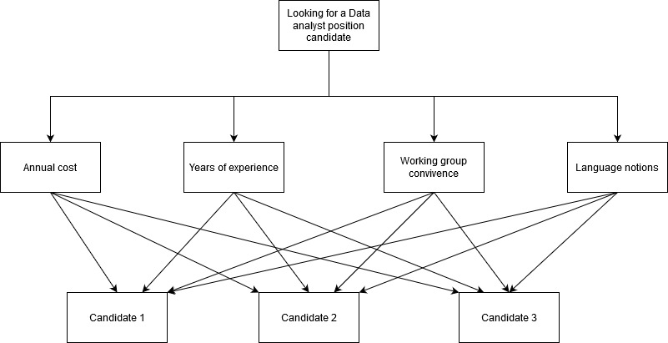
Candidate Relevant Criteria.
 | Criteria Especification.
Candidate | Contractual Cost Annual in Euros | Years of Experience | Working Group Convivence | Language Notions in: Python, R, Java
1 | $40,000 | 5 | 2 | 3
2 | $33,000 | 1 | 3 | 2
3 | $20,000 | 2 | 5 | 1
3
 |  | Verbal Judgement | Numeric Value |  | Pair wise comparison matrix
 |  | Extremely important | 9 |  |  | Contractual Cost Annual in Euros | Years of Experience | Working Group Convivence | Language Notions in: Python, R, Java)
 |  |  | 8 |  | Contractual Cost Annual in Euros | 1 | 6 | 3 | 7
 |  | Very Strongly more important | 7 |  | Years of Experience | 0.167 | 1 | 0.167 | 1
 |  |  | 6 |  | Working Group Convivence | 0.333 | 6 | 1 | 6
 |  | Strongly more important | 5 |  | Language Notions in: Python, R, Java) | 0.143 | 1 | 0.167 | 1
 |  |  | 4 |  | Sum | 1.643 | 14.000 | 4.333 | 15.000
 |  | Moderately more important | 3
 |  |  | 2
 |  | Equally important | 1

4 and 5 |  | Normalized
Matrix normalized
Pair wise comparison matrix
 | Contractual Cost Annual in Euros | Years of Experience | Working Group Convivence | Language Notions in: Python, R, Java) | Criteria Weight
Contractual Cost Annual in Euros | 0.60869565217 | 0.42857142857 | 0.69230769231 | 0.46666666667 | 0.549
Years of Experience | 0.10144927536 | 0.071428571429 | 0.038461538462 | 0.066666666667 | 0.070
Working Group Convivence | 0.20289855072 | 0.42857142857 | 0.23076923077 | 0.4 | 0.316
Language Notions in: Python, R, Java) | 0.086956521739 | 0.071428571429 | 0.038461538462 | 0.066666666667 | 0.066
Sum | 1 | 1 | 1 | 1 | 1

6 |  |  |  |  |  |  |  |  | 7 APH | Lambda Max | 4.136 | We can say that here that under the estándar from concistency ratio which is less than 0.1. We can say that the concistency ratiothe matrix is reasonably consistant
Contractual Cost Annual in Euros |  |  |  |  | Weighted Sum Value | Priority | Final Rank |  |  | Consistency index (CI) | 0.045
Criteria Weight | 0.54906035993 | 0.06950151298 | 0.31555980252 | 0.065878324574 |  |  |  |  |  | Consistency Ratio | 0.05
 | Contractual Cost Annual in Euros | Years of Experience | Working Group Convivence | Language Notions in: Python, R, Java)
Contractual Cost Annual in Euros | 0.54906035993 | 0.41700907788 | 0.94667940755 | 0.46114827202 | 2.3738971174 | 0.54906035993 | 4.32356311 |  |  |  | Priority
Years of Experience | 0.091510059988 | 0.06950151298 | 0.052593300419 | 0.065878324574 | 0.27948319796 | 0.06950151298 | 4.0212534372 |  |  | Contractual Cost Annual in Euros | 0.54906035993 | This criteria can be used for the decision making for further calculation.
Working Group Convivence | 0.18302011998 | 0.41700907788 | 0.31555980252 | 0.39526994744 | 1.3108589478 | 0.31555980252 | 4.1540745601 |  |  | Years of Experience | 0.06950151298
Language Notions in: Python, R, Java) | 0.078437194276 | 0.06950151298 | 0.052593300419 | 0.065878324574 | 0.26641033225 | 0.065878324574 | 4.0439755257 |  |  | Working Group Convivence | 0.31555980252
 |  |  |  |  |  |  |  |  |  | Language Notions in: Python, R, Java) | 0.065878324574

8 | Comparison by Candidate (the next points will be founded in the next sheets below)

